CF_MSFD
CF | Cohesion Fund
Goal | The Cohesion Fund is one of the EU (financial) instruments of the overall EU Cohesion Policy. The Cohesion Fund provides a financial contribution to projects in the fields of environment and trans-European networks in the area of transport infrastructure.
Priorities | Environmental objectives: - energy efficiency - renewable energy Transport infrastructure objectives: - TEN-T - rail, river and sea transport - intermodal transport systems and their interoperability - management of road, sea and air traffic - clean urban transport and public transport. The Cohesion Fund shall support the following investment priorities: A) Preserving and protecting the environment and promoting resource efficiency by: (i) investing in the waste sector to meet the requirements of the Union's environmental acquis and to address needs, identified by the Member States, for investment that goes beyond those requirements; (ii) investing in the water sector to meet the requirements of the Union's environmental acquis and to address needs, identified by the Member States, for investment that goes beyond those requirements; (iii) protecting and restoring biodiversity and soil and promoting ecosystem services, including through Natura 2000, and green infrastructure. B) promoting sustainable transport and removing bottlenecks in key network infrastructures by: (ii) developing and improving environmentally-friendly (including low-noise) and low-carbon transport systems, including inland waterways and maritime transport, ports, multimodal links and airport infrastructure, in order to promote sustainable regional and local mobility; C) enhancing institutional capacity of public authorities and stakeholders and efficient public administration through actions to strengthen the institutional capacity and the efficiency of public administrations and public services related to the implementation of the Cohesion Fund.
Time Scheme | 2014-2020
Funding sections / criteria | The Commission prepared for each Member State a position paper on the development of Partnership Agreement and programmes for the period 2014-2020. The position papers inform the Member States of the Commission's views on the main challenges and funding priorities. They also establish a framework for dialogue between the Commission and each Member State on the preparation of the partnership agreement and programmes which will form the basis for delivery of the EU Structural and Investment Funds. The position papers were presented to the Member State authorities as the Commission's views based on the Commission's legislative proposals, without prejudice to the final outcome of the negotiations on the legislative package |  | 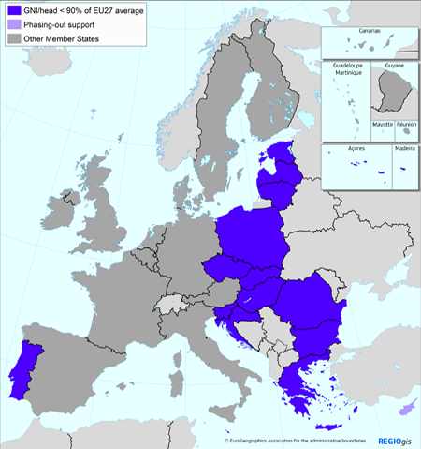
Relevant Regions | MS < 90% GNI average EU27
Target groups/beneficiaries | MS < 90% GNI average EU27
Budgetary resources | EUR 376 billion concerning all CP instruments, of which CF € 68,7 billion.

Key articles related to MSFD Implementation
Most important articles | Article 4: CF Investment priorities
 | Article 4: CF Investment priorities | Intervention Logic: Europe 2020 Thematic objective | Target group | General criteria | Financial criteria | (1) Input controls | (2) Output controls | (3) Spatial and temporal distribution controls | (4) Management coordination measures | (5) Measures to improve the traceability | (6) Economic incentives | (7) Mitigation and remediation tools | (8) Communication, stakeholder involvement
 | Investing in the waste sector to meet the requirements of the Union's environmental acquis and to address needs, identified by the Member States, for investment that goes beyond those requirements. | TO6: protecting the environment and promoting resource efficiency | Operators | Refer to cell B2 and B4 | Refer to cell B8
 | Investing in the water sector to meet the requirements of the Union's environmental acquis and to address needs, identified by the Member States, for investment that goes beyond those requirements. | TO6: protecting the environment and promoting resource efficiency | Operators, water boards | Refer to cell B2 and B4 | Refer to cell B8
 | Protecting and restoring biodiversity and soil and promoting ecosystem services, including through Natura 2000, and green infrastructure. | TO6: protecting the environment and promoting resource efficiency | Public law bodies, land owners | Refer to cell B2 and B4 | Refer to cell B8
 | Developing and improving environmentally-friendly (including low-noise) and low-carbon transport systems, including inland waterways and maritime transport, ports, multimodal links and airport infrastructure, in order to promote sustainable regional and local mobility; | TO7: promoting sustainable transport and removing bottlenecks in key network infrastructures | Operators | Refer to cell B2 and B4 | Refer to cell B8
 | Enhancing institutional capacity of public authorities and stakeholders and efficient public administration through actions to strengthen the institutional capacity and the efficiency of public administrations and public services related to the implementation of the Cohesion Fund. | TO11: enhancing institutional capacity and an efficient public administration | Public law bodies | Refer to cell B2 and B4 | Refer to cell B8

